Anand notes
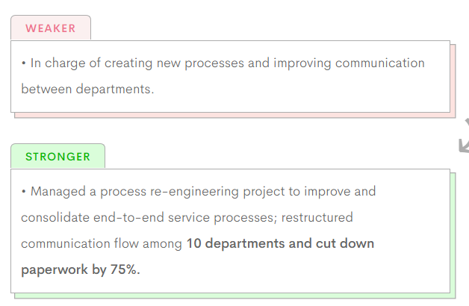
Progress |  | ATS Hacks
 |  | 1. Add keywords from JD
DSA |  | 2. Quantify impact using hard numbers: eg. Deployed scheduling framework to save $1200/month
Arrays | Done
Strings
Searching & Sorting
LinkedList | Done
Tree & BST | Done
Backtracking
Greedy |  | 2. Simple format to avoid parsing errors
Stack Queue |  | 3. No use of tables
Heap |  | 4. 1 page
Graphs |  | 5. .docx format is most ATS friendly
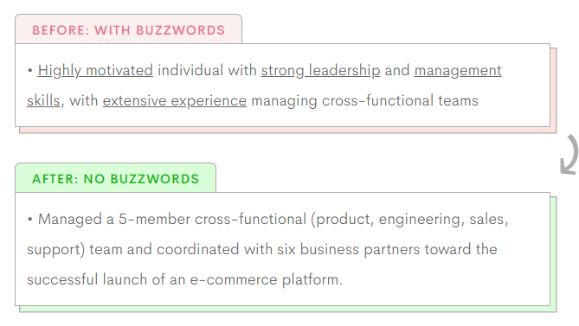
DP |  | 6. Avoid vague keywords/buzzwords such as highly motivated/ problem solving etc.
 |  | 7. Use bullet points

WebD Project Ideas
Should have: |  | Micron Role
1. Authentication |  | To design and develop efficient data pipelines from a variety of onprem data sources to GCP environment and leverage it's services to create transformations, APIs, dashboards that can be used by the either data scientists as an input to the models or the site manufacturing engineers to get a better visualization of the processes/alerts/bottlenecks in the fabrication units.
2. Database storage
3. Using some API
4. Good UI (Frontend)

Namaste Javascript notes
https://alok722.github.io/namaste-javascript-notes/dist/lectures.html

Salary negotiation
https://leetcode.com/discuss/career/2462102/salary-negotiation-101#:~:text=During%20Negotation%2C%20The%20phrases%20you%20can%20use%3A&text=I%20think%20i%20did%20extremely%20well%20in%20my%20interviews.&text=When%20HR%20says%20i'm,place%20which%20matches%20my%20skillset%3F%22
https://leetcode.com/discuss/compensation/1767395/tips-for-negotiation
https://www.linkedin.com/pulse/salary-negotiation-tips-tricks-priya-bagde-?utm_source=share&utm_medium=member_android&utm_campaign=share_via

Object Oriented Design (LLD)
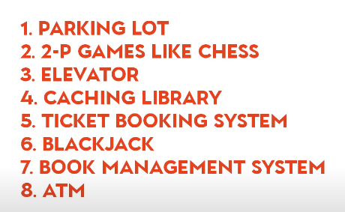
OOPS Concepts
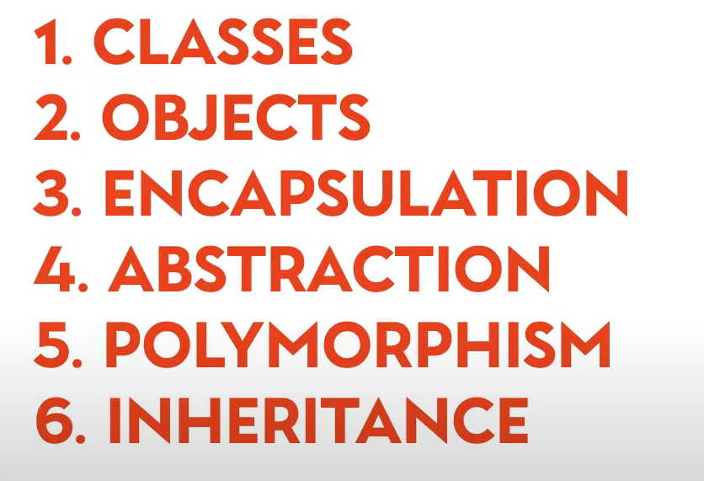

Design Patterns | https://www.oodesign.com/design-principles
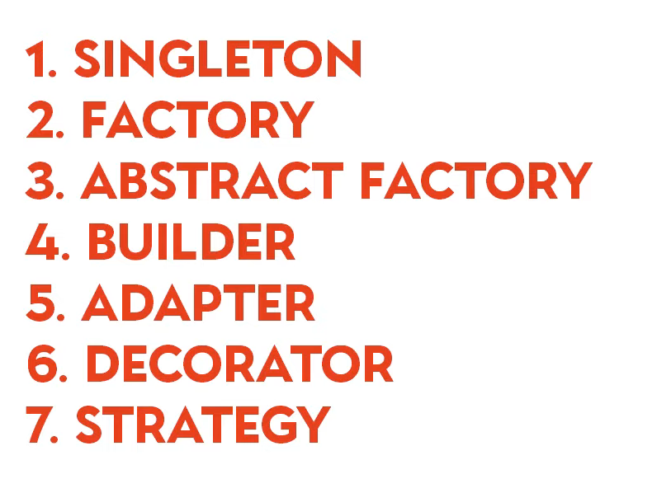

SOLID Principles

Standard Problems

